1. Title Page
Grocery Basket Analysis

Project Name: InstaCart Basket Analysis
Date: January 16, 2023
Analyst Name: Julia Reeves

Contents:
Population Flow
Consistency checks
Wrangling steps
Column derivations
Visualizations
Recommendations

Citation:
“The Instacart Online Grocery Shopping Dataset 2017”, Accessed from www.instacart.com/datasets/grocery-shopping-2017 via Kaggle on 01/16/2023

2. Population Flow
Title page

Population flow

Exclusion flag
Condition: max_order < 5
Obervations to be removed: 1440295
Final total count of order_products_all: 30964564

Orders_products_combined
Orders_products_merged
Orders_products_all

Total: 32404859
Total: 32404859
Total: 32404859

1.) The grey boxes in the first row of the population flow represent the original data sets as they were when you downloaded them. In the Total fields you need to add the count of the rows when you imported the data set into Jupyter.
2.) The second row of boxes (coloured) represents the data sets after you manipulated them, e.g., removed missing values and duplicates. In the Total fields you need to add the count of the rows after conducting these operations. This offers a visual oveview of how the data flows throughout the data consistency checks.
3.) The third row, where also the arrows are coloured, represents the merges you performed between the datasets. In the Total fields you need to add the count of the rows in the merged datasets, so that you end up with the final dataset (in the red box). Keep in mind the final dataset should be without exclusions (based on the exclusion flag).

3. Consistency checks
 |  |  |  | Title page
Consistency checks

Dataset | Missing values | Missing values treatment | Duplicates
orders | 206209 in days_since_prior_order | Left untouched | 0
products | 16 | Filtered out of dataframe | 5
orders_products_prior | 0 | N/A | 0
customers | 11259 in First Name | Left untouched | 0

4. Wrangling steps
 |  |  |  | Title page
Wrangling steps

Columns dropped | Columns renamed | Columns' type changed | Comment/Reason
eval_set in df_ords |  |  | Contains prior system data/irrelevant for analysis
 | "order_dow" to "orders_day_of_week" |  | More intuitive column name
 | "Surnam" to "last_name" |  | Incorrect spelling/more intuitive column name
 | "First Name" to "first_name" |  | Consistent formatting for column names
 | "STATE" to "state |  | Consistent formatting for column names
first_name |  |  | Personally identifiable information (PII) data removed
last_name |  |  | Personally identifiable information (PII) data removed
 |  | order_id changed from int64 to string | Order ID number is qualitative, not quantitative
 |  | user_id changed from int64 to string | User ID number is qualitative, not quantitative

5. Column derivations
 |  |  |  |  | Title page

Column derivations and aggregations

In this tab you should add tables below that the frequences of flags/label variables that you produced after deriving them. NB: don't do this for continuous variables, only for flags.
Dataset | New column | Column/s it was derived from | Conditions
ords_prods_merge | price_range | prices | Low-range product: <= $5 Mid-range product: > $5 and <= $15 High-range product: >$15
ords_prods_merge | busiest_day | orders_day_of_week | Busiest day: 0 (Saturday) Least busy: 4 (Wednesday) Regularly busy: All other days
ords_prods_merge | busiest_days | orders_day_of_week | Busiest days: 0, 1 (Saturday, Sunday) Slowest days: 4, 3 (Wednesday, Tuesday) Regularly busy: All other days | 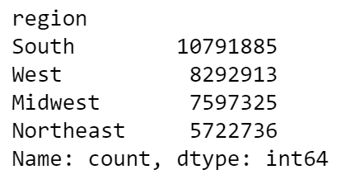
ords_prods_merge | loyalty_flag | user_id, max_order | Loyal customer: Max orders > 40 Regular customer: Max orders > 10 and <= 40 New customer: Max orders <= 10
ords_prods_merge | spending_flag | user_id, mean_prices | Low spender: Mean product price < 10 High spender: Mean product price >= 10
ords_prods_merge | order_frequency_flag | user_id, median_days_since_prior_order | Non-frequent customer: Median days since prior order >20 Regular customer: Median days since prior order >10 and <=20 Frequent customer: Median days since prior order <=10
orders_products_all | region | state | Northeast: Maine, New Hampshire, Vermont, Massachusetts, Rhode Island, Connecticut, New York, Pennsylvania, New Jersey Midwest: Wisconsin, Michigan, Illinois, Indiana, Ohio, North Dakota , South Dakota, Nebraska, Kansas, Minnesota, Iowa, Missouri South: Delaware, Maryland, District of Columbia, Virginia, West Virginia, North Carolina, South Carolina, Georgia, Florida, Kentucky, Tennessee, Mississippi, Alabama, Oklahoma, Texas, Arkansas, Louisiana West: Idaho, Montana, Wyoming, Nevada, Utah, Colorado, Arizona, New Mexico, Alaska, Washington, Oregon, California, Hawaii
orders_products_all | exclusion_flag | max_order | Low activity: <5 orders Regular activity: >5 orders
orders_products_all | age_range | age | Young: <35 Middle-age: >=35 and <65 Older: >=65
orders_products_all | income_flag | income | Below average: < 99676 Above average: >= 99676

6. Visualizations
 | Title page

Visualisations

In this tab you should include all the visualtions from Exercises 4.9 and 4.10, alongside the questions from the project brief that they answer. Include any commentary on the relationship between different variables.

What are the busiest days of the week and hours of the day?
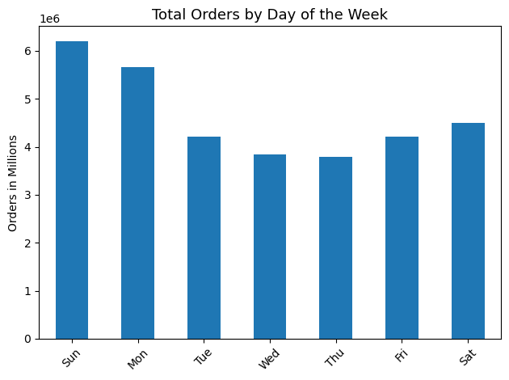
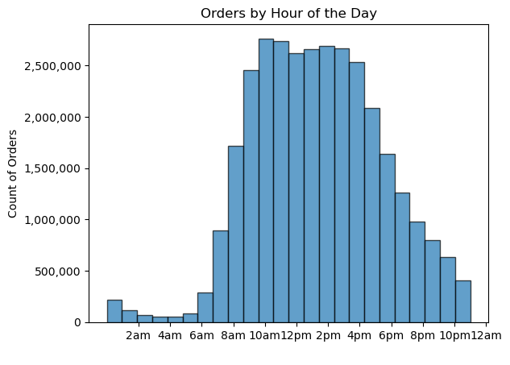

The busiest days of the week for Instacart orders are Sunday and Monday. Orders decrease in frequency through the middle of the week and increase through the weekend.
Orders tend to peak between 9am and 4pm.

Are there particular times of the day when people spend the most money?

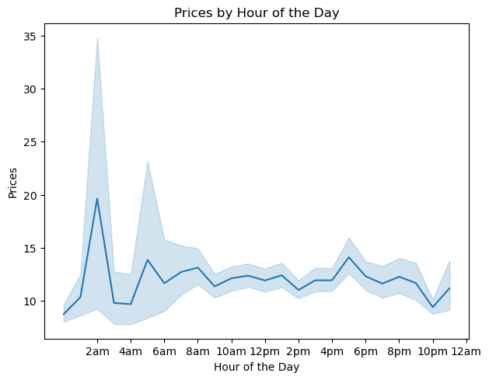
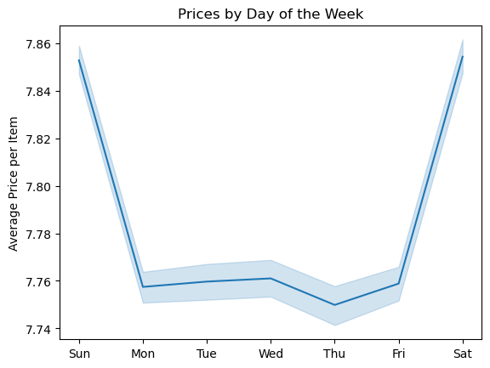

Average price per item ordered drops through the middle of the week and peaks on Saturdays and Sundays.
The prices of items purchased by customers is highest at night between 10pm and 8am.

Are there certain types of products that are more popular than others? Which departments have the highest frequency of product orders?

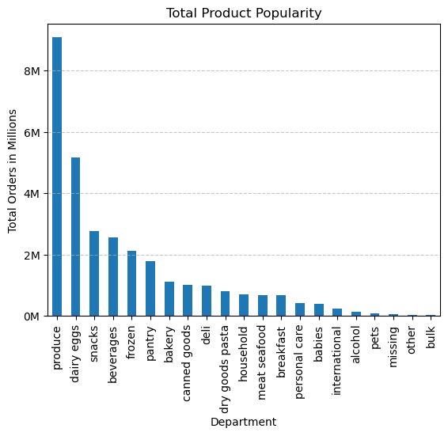
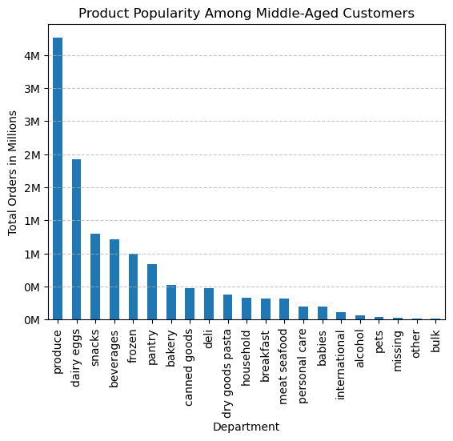

Produce is by far the most popular product type, followed by dairy/eggs, snacks, and beverages. This is also true among Instacart's largest age group, middle-aged customers.

What’s the distribution among users in regards to their brand loyalty (i.e., how often do they return to Instacart?)

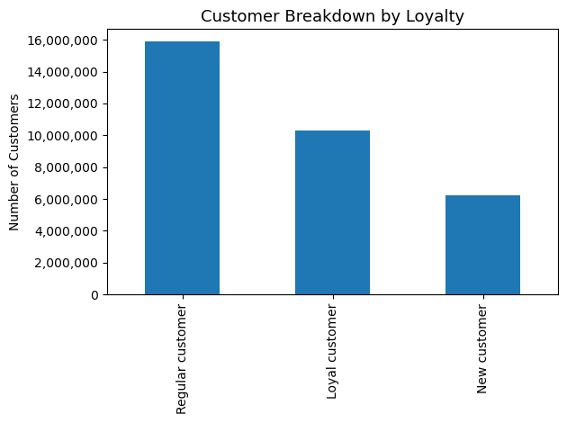

Most Instacart users are regular customers who placed greater than 10 orders and less than or equal to 40 orders. Loyal customers who placed more than 40 orders are the next largest subset, followed by new customers with less than or equal to 10 orders.

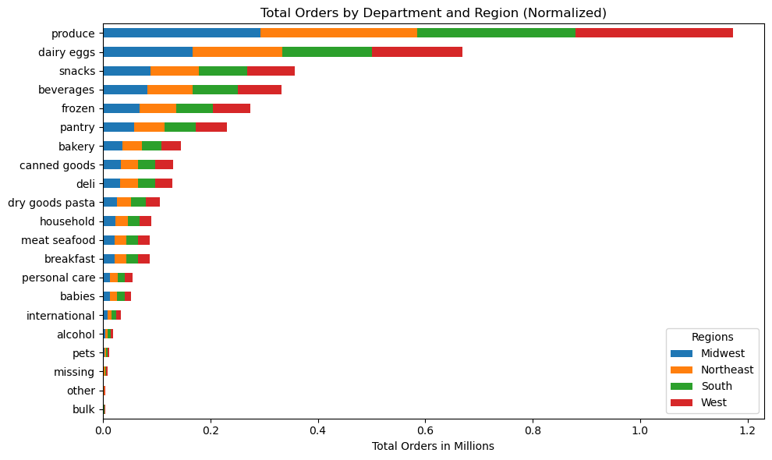
Are there differences in ordering habits based on a customer’s region?

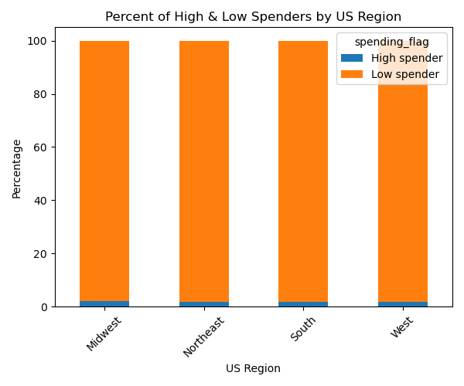

The breakdown of high spenders vs. low spenders is virtually the same across US regions. Product type popularity had a similar breakdown between regions as well.

Is there a connection between age and family status in terms of ordering habits? | What different classifications does the demographic information suggest?

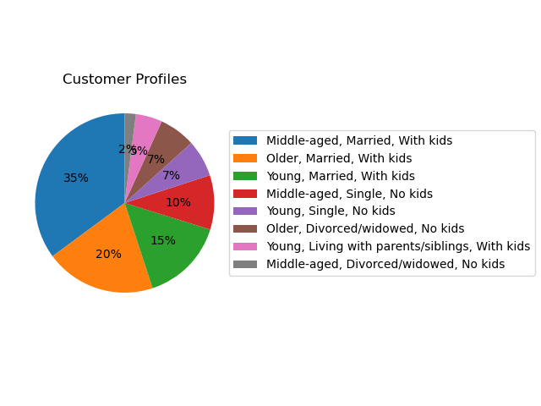
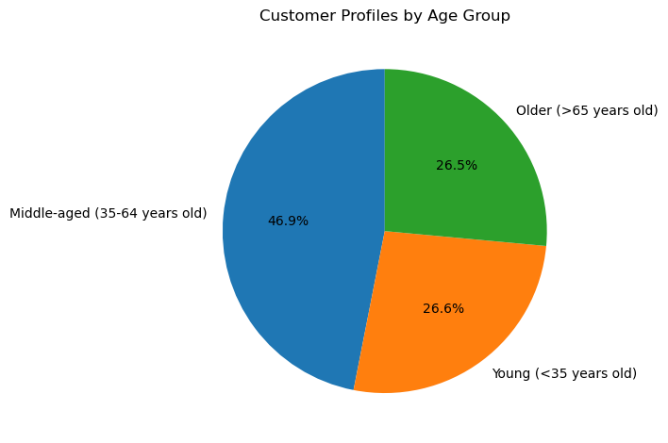

Nearly half of Instacart's customer base is middle-aged, with the remaining customers split fairly evenly between older and younger age groups.
The top three customer profiles are those who are married with kids.

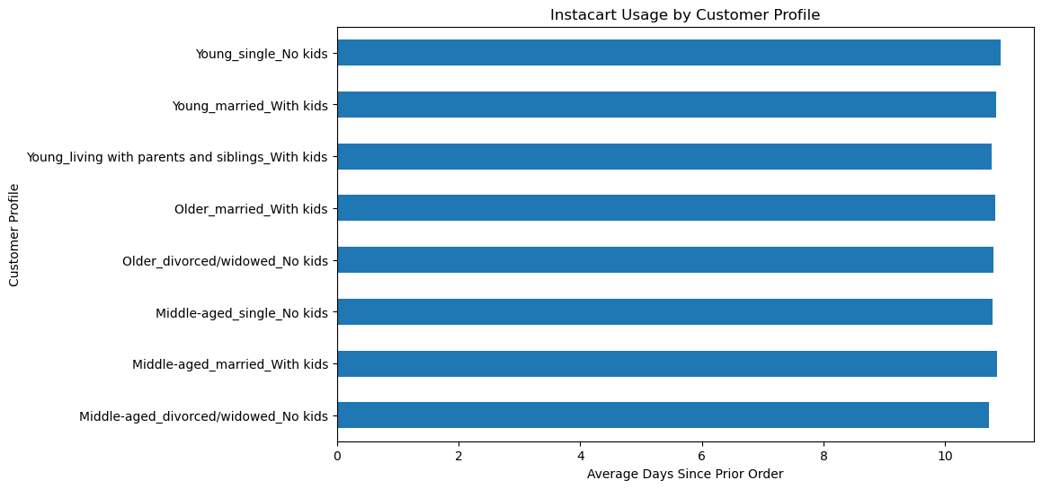

Regardless of age group and family status, customers averaged between 10 and 11 days between Instacart orders.

What differences can you find in ordering habits of different customer profiles?

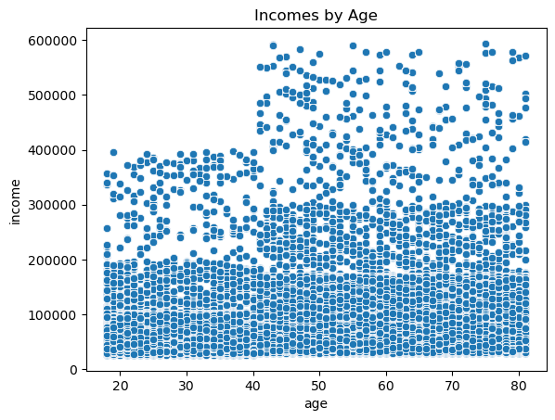
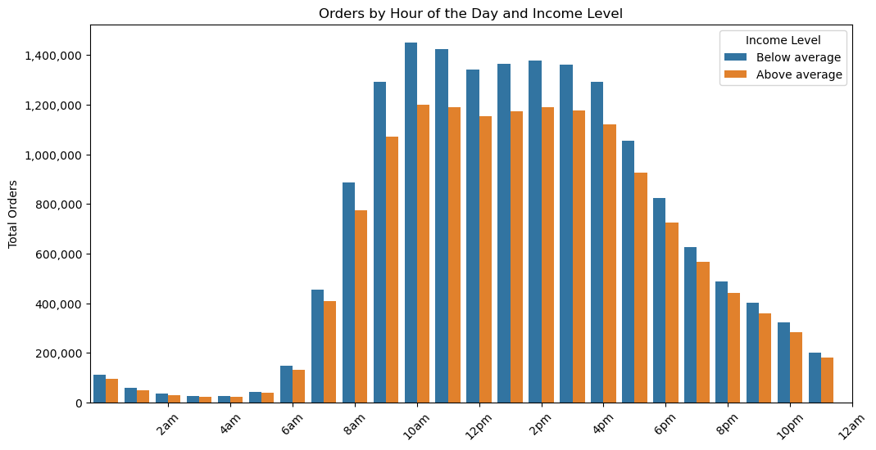

Incomes of 200,000 dollars or less are evenly distributed across all ages. Most people with incomes of 200,000 dollars to 300,000 dollars are aged 40 and above. Incomes of 300,000 to 400,000 dollars is evenly distributed across all ages. Incomes of 400,000 to 600,000 are found in customers age 40 and older.
Customers with a below-average income level tend to spend more in general, particularly during the day between 8am and 6pm.

7. Recommendations
 |  | Title page

Recommendations

In this tab you should include any recommendations you would made to Instcart in terms of their marketing strategy based on the questions posed in the brief. Every key question has been covered in the Tasks of the Exercises - here you need to add an item - a visualisation or table/crosstable that is showing the answer in the data, acompanied by a comment from you. Please, list the questions below and add the answer underneath.

Question | Answer

What are the busiest days of the week and hours of the day? | The busiest days of the week for Instacart orders are Sunday and Monday. Orders decrease in frequency through the middle of the week and increase through the weekend. In a 24-hour period, the greatest number of orders are placed between 9am and 4pm. I recommend running ads on the weekends when people do the most grocery shopping and increasing ad frequency during the day when orders peak.

Are there particular times of the day when people spend the most money? | The prices of items purchased by customers is highest at night between 10pm and 8am. I recommend running ads for higher-price items between these hours.

Are there certain types of products that are more popular than others? Which departments have the highest frequency of product orders? | Produce is by far the most popular product type, followed by dairy/eggs, snacks, and beverages.

What’s the distribution among users in regards to their brand loyalty (i.e., how often do they return to Instacart?) | Most Instacart users are regular customers who placed greater than 10 orders and less than or equal to 40 orders. Loyal customers who placed more than 40 orders are the next largest subset, followed by new customers with less than or equal to 10 orders.

Instacart has a lot of products with different price tags. Marketing and sales want to use simpler price range groupings to help direct their efforts. | Prices were split into categories based on the following criteria: Low-range products are less than or equal to $5; Mid-range products are greater than > $5 and less than or equal to $15; high-range products are greater than $15.

Are there differences in ordering habits based on a customer’s region? | There is little to no difference in ordering habits based on a customer's region.

Is there a connection between age and family status in terms of ordering habits? | Nearly half of Instacart's customer base is middle-aged, with the remaining customers split fairly evenly between older and younger age groups, and 70% of customer profiles are people who are married with kids. I recommend targeting ads with products for children.

What differences can you find in ordering habits of different customer profiles? | Customers were split into two income groups, "Below average" and "Above average." Below-average income customers tend to spend more in general, particularly during the day between 8am and 6pm.

